Campo de juego
 |  |  |  |  |  |  |  |  |  |  |  |  |  |  |  |  |  |  |  |  | CP_1.Game1.listaCasas.Add(new Casas2(41, new Vector2(69, 0), 67, 69, 'h', new Point(1, 0), new Vector2(-4, 1), 's')); | CP_1.Game1.listaCasas.Add(new Casas2(40, new Vector2(137, 0), 67, 69, 'h', new Point(2, 0), new Vector2(-4, 1), 'c')); | CP_1.Game1.listaCasas.Add(new Casas2(39, new Vector2(206, 0), 67, 69, 'h', new Point(3, 0), new Vector2(-4, 1), 'c')); | CP_1.Game1.listaCasas.Add(new Casas2(38, new Vector2(274, 0), 67, 69, 'h', new Point(4, 0), new Vector2(-4, 1), 'c')); | CP_1.Game1.listaCasas.Add(new Casas2(37, new Vector2(343, 0), 67, 69, 'h', new Point(5, 0), new Vector2(-4, 1), 'c')); | CP_1.Game1.listaCasas.Add(new Casas2(36, new Vector2(411, 0), 67, 69, 'h', new Point(6, 0), new Vector2(-4, 1), 'c')); | CP_1.Game1.listaCasas.Add(new Casas2(35, new Vector2(480, 0), 67, 69, 'h', new Point(7, 0), new Vector2(4, 1), 'c')); | CP_1.Game1.listaCasas.Add(new Casas2(34, new Vector2(549, 0), 67, 69, 'h', new Point(8, 0), new Vector2(4, 1), 'c')); | CP_1.Game1.listaCasas.Add(new Casas2(33, new Vector2(617, 0), 67, 69, 'h', new Point(9, 0), new Vector2(4, 1), 'c')); | CP_1.Game1.listaCasas.Add(new Casas2(32, new Vector2(686, 0), 67, 69, 'h', new Point(10, 0), new Vector2(4, 1), 'c')); | CP_1.Game1.listaCasas.Add(new Casas2(31, new Vector2(754, 0), 67, 69, 'h', new Point(11, 0), new Vector2(4, 1), 'c')); | CP_1.Game1.listaCasas.Add(new Casas2(30, new Vector2(823, 0), 67, 69, 'h', new Point(12, 0), new Vector2(4, 1), 's'));
 |  |  |  |  |  |  |  |  |  |  |  |  |  |  |  |  |  |  | Tipo |  | s | c | c | c | c | c | c | c | c | c | c | s
 |  |  |  |  |  |  |  |  |  |  |  |  |  |  |  |  |  |  |  |  | new Vector2(-4, 1), | new Vector2(-4, 1), | new Vector2(-4, 1), | new Vector2(-4, 1), | new Vector2(-4, 1), | new Vector2(-4, 1), | new Vector2(4, 1), | new Vector2(4, 1), | new Vector2(4, 1), | new Vector2(4, 1), | new Vector2(4, 1), | new Vector2(4, 1),
 |  |  |  |  |  |  |  |  |  |  |  |  |  |  |  |  |  |  |  |  | 1 | 1 | 1 | 1 | 1 | 1 | 1 | 1 | 1 | 1 | 1 | 1
 |  |  |  |  |  |  |  |  |  |  |  |  |  |  |  |  |  |  | arranque |  | -4 | -4 | -4 | -4 | -4 | -4 | 4 | 4 | 4 | 4 | 4 | 4
 |  |  |  |  |  |  |  |  |  |  |  |  |  |  |  |  |  |  |  |  | new Point(1, 0), | new Point(2, 0), | new Point(3, 0), | new Point(4, 0), | new Point(5, 0), | new Point(6, 0), | new Point(7, 0), | new Point(8, 0), | new Point(9, 0), | new Point(10, 0), | new Point(11, 0), | new Point(12, 0),
 |  |  |  |  |  |  |  |  |  |  |  |  |  |  |  |  |  |  |  |  | 0 | 0 | 0 | 0 | 0 | 0 | 0 | 0 | 0 | 0 | 0 | 0
 |  |  |  |  |  |  |  |  |  |  |  |  |  |  |  |  |  |  | posicion |  | 1 | 2 | 3 | 4 | 5 | 6 | 7 | 8 | 9 | 10 | 11 | 12
 |  |  |  |  |  |  |  |  |  |  |  |  |  |  |  |  |  |  | Horientacion |  | h | h | h | h | h | h | h | h | h | h | h | h
 |  |  |  |  |  |  |  |  |  |  |  |  |  |  |  |  |  |  | ancho |  | 69 | 69 | 69 | 69 | 69 | 69 | 69 | 69 | 69 | 69 | 69 | 69
 |  |  |  |  |  |  |  |  |  |  |  |  |  | px | padd | pxf | n |  | Alto |  | 67 | 67 | 67 | 67 | 67 | 67 | 67 | 67 | 67 | 67 | 67 | 67
 |  |  |  |  |  |  |  |  |  |  |  | Alto | 600 | 66.666666667 | 0 | 66.666666667 | 9 |  |  |  | new Vector2(69, 0), | new Vector2(137, 0), | new Vector2(206, 0), | new Vector2(274, 0), | new Vector2(343, 0), | new Vector2(411, 0), | new Vector2(480, 0), | new Vector2(549, 0), | new Vector2(617, 0), | new Vector2(686, 0), | new Vector2(754, 0), | new Vector2(823, 0),
 |  |  |  |  |  |  |  |  |  |  |  | Ancho | 960 | 68.571428571 | 25 | 93.571428571 | 14 |  |  |  | 0 | 0 | 0 | 0 | 0 | 0 | 0 | 0 | 0 | 0 | 0 | 0
 |  |  |  |  |  |  |  |  |  |  |  | Ancho2 | 960 | 68.571428571 | 25 | 93.571428571 | 14 | 0 | redondeado | 0 | 69 | 137 | 206 | 274 | 343 | 411 | 480 | 549 | 617 | 686 | 754 | 823
...
1 | 66.666666667 | 0 | 67 | new Vector2(0, 67), | 67 | 93.571428571 | 94 | 0 | 1 | v | new Point(0, 1), | 1 | -4 | new Vector2(1, -4), | s | CP_1.Game1.listaCasas.Add(new Casas2(1, new Vector2(0, 67), 67, 94, 'v', new Point(0, 1), new Vector2(1, -4), 's'));
2 | 133.33333333 | 0 | 133 | new Vector2(0, 133), | 67 | 93.571428571 | 94 | 0 | 2 | v | new Point(0, 2), | 1 | -4 | new Vector2(1, -4), | c | CP_1.Game1.listaCasas.Add(new Casas2(2, new Vector2(0, 133), 67, 94, 'v', new Point(0, 2), new Vector2(1, -4), 'c'));
3 | 200 | 0 | 200 | new Vector2(0, 200), | 67 | 93.571428571 | 94 | 0 | 3 | v | new Point(0, 3), | 1 | -4 | new Vector2(1, -4), | c | CP_1.Game1.listaCasas.Add(new Casas2(3, new Vector2(0, 200), 67, 94, 'v', new Point(0, 3), new Vector2(1, -4), 'c'));
4 | 266.66666667 | 0 | 267 | new Vector2(0, 267), | 67 | 93.571428571 | 94 | 0 | 4 | v | new Point(0, 4), | 1 | 4 | new Vector2(1, 4), | c | CP_1.Game1.listaCasas.Add(new Casas2(4, new Vector2(0, 267), 67, 94, 'v', new Point(0, 4), new Vector2(1, 4), 'c'));
5 | 333.33333333 | 0 | 333 | new Vector2(0, 333), | 67 | 93.571428571 | 94 | 0 | 5 | v | new Point(0, 5), | 1 | 4 | new Vector2(1, 4), | c | CP_1.Game1.listaCasas.Add(new Casas2(5, new Vector2(0, 333), 67, 94, 'v', new Point(0, 5), new Vector2(1, 4), 'c'));
6 | 400 | 0 | 400 | new Vector2(0, 400), | 67 | 93.571428571 | 94 | 0 | 6 | v | new Point(0, 6), | 1 | 4 | new Vector2(1, 4), | c | CP_1.Game1.listaCasas.Add(new Casas2(6, new Vector2(0, 400), 67, 94, 'v', new Point(0, 6), new Vector2(1, 4), 'c'));
7 | 466.66666667 | 0 | 467 | new Vector2(0, 467), | 67 | 93.571428571 | 94 | 0 | 7 | v | new Point(0, 7), | 1 | 4 | new Vector2(1, 4), | s | CP_1.Game1.listaCasas.Add(new Casas2(7, new Vector2(0, 467), 67, 94, 'v', new Point(0, 7), new Vector2(1, 4), 's'));
8 | 533.33333333 | 0 | 533 | new Vector2(0, 533), | 67 | 93.571428571 | 94 | 0 | 8 | v | new Point(0, 8), | 1 | 4 | new Vector2(1, 4), | c | CP_1.Game1.listaCasas.Add(new Casas2(8, new Vector2(0, 533), 67, 94, 'v', new Point(0, 8), new Vector2(1, 4), 'c'));

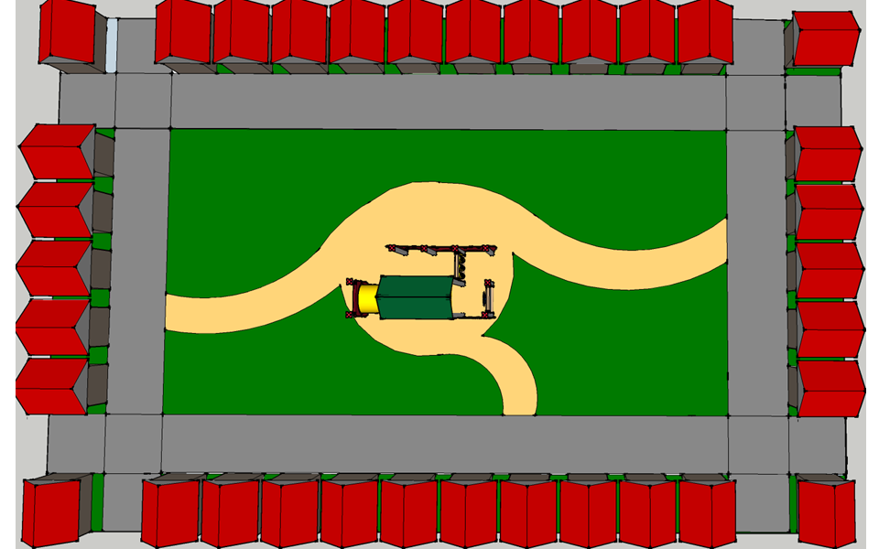
 |  |  |  |  |  |  |  |  |  |  |  |  |  |  |  | CP_1.Game1.listaCasas.Add(new Casas2(9, new Vector2(69, 533), 67, 69, 'h', new Point(1, 8), new Vector2(-1, -4), 's'));
 |  |  |  |  |  |  |  |  |  |  |  |  |  |  |  | CP_1.Game1.listaCasas.Add(new Casas2(10, new Vector2(137, 533), 67, 69, 'h', new Point(2, 8), new Vector2(-1, -4), 'c'));
 |  |  |  |  |  |  |  |  |  |  |  |  |  |  |  | CP_1.Game1.listaCasas.Add(new Casas2(11, new Vector2(206, 533), 67, 69, 'h', new Point(3, 8), new Vector2(-1, -4), 'c'));
 |  |  |  |  |  |  |  |  |  |  |  |  |  |  |  | CP_1.Game1.listaCasas.Add(new Casas2(12, new Vector2(274, 533), 67, 69, 'h', new Point(4, 8), new Vector2(-1, -4), 'c'));
 |  |  |  |  |  |  |  |  |  |  |  |  |  |  |  | CP_1.Game1.listaCasas.Add(new Casas2(13, new Vector2(343, 533), 67, 69, 'h', new Point(5, 8), new Vector2(-1, -4), 'c'));
 |  |  |  |  |  |  |  |  |  |  |  |  |  |  |  | CP_1.Game1.listaCasas.Add(new Casas2(14, new Vector2(411, 533), 67, 69, 'h', new Point(6, 8), new Vector2(-1, -4), 'c'));
 |  |  |  |  |  |  |  |  |  |  |  |  |  |  |  | CP_1.Game1.listaCasas.Add(new Casas2(15, new Vector2(480, 533), 67, 69, 'h', new Point(7, 8), new Vector2(-1, 4), 'c'));
 |  |  |  |  |  |  |  |  |  |  |  |  |  |  |  | CP_1.Game1.listaCasas.Add(new Casas2(16, new Vector2(549, 533), 67, 69, 'h', new Point(8, 8), new Vector2(-1, 4), 'c'));
 |  |  |  |  |  |  |  |  |  |  |  |  |  |  |  | CP_1.Game1.listaCasas.Add(new Casas2(17, new Vector2(617, 533), 67, 69, 'h', new Point(9, 8), new Vector2(-1, 4), 'c'));
 |  |  |  |  |  |  |  |  |  |  |  |  |  |  |  | CP_1.Game1.listaCasas.Add(new Casas2(18, new Vector2(686, 533), 67, 69, 'h', new Point(10, 8), new Vector2(-1, 4), 'c'));
 |  |  |  |  |  |  |  |  |  |  |  |  |  |  |  | CP_1.Game1.listaCasas.Add(new Casas2(19, new Vector2(754, 533), 67, 69, 'h', new Point(11, 8), new Vector2(-1, 4), 'c'));
 |  |  |  |  |  |  |  |  |  |  |  |  |  |  |  | CP_1.Game1.listaCasas.Add(new Casas2(20, new Vector2(823, 533), 67, 69, 'h', new Point(12, 8), new Vector2(-1, 4), 's'));
 |  |  |  |  |  |  |  |  |  |  |  |  |  |  |  | CP_1.Game1.listaCasas.Add(new Casas2(21, new Vector2(891, 533), 67, 69, 'h', new Point(13, 8), new Vector2(-1, 4), 'c'));
...
 |  |  |  |  |  |  |  |  |  |  |  |  |  |  |  | CP_1.Game1.listaCasas.Add(new Casas2(22, new Vector2(891, 467), 67, 94, 'v', new Point(13, 7), new Vector2(-1, 4), 's'));
 |  |  |  |  |  |  |  |  |  |  |  |  |  |  |  | CP_1.Game1.listaCasas.Add(new Casas2(23, new Vector2(891, 400), 67, 94, 'v', new Point(13, 6), new Vector2(-1, 4), 'c'));
 |  |  |  |  |  |  |  |  |  |  |  |  |  |  |  | CP_1.Game1.listaCasas.Add(new Casas2(24, new Vector2(891, 333), 67, 94, 'v', new Point(13, 5), new Vector2(-1, 4), 'c'));
 |  |  |  |  |  |  |  |  |  |  |  |  |  |  |  | CP_1.Game1.listaCasas.Add(new Casas2(25, new Vector2(891, 267), 67, 94, 'v', new Point(13, 4), new Vector2(-1, 4), 'c'));
 |  |  |  |  |  |  |  |  |  |  |  |  |  |  |  | CP_1.Game1.listaCasas.Add(new Casas2(26, new Vector2(891, 200), 67, 94, 'v', new Point(13, 3), new Vector2(-1, -4), 'c'));
 |  |  |  |  |  |  |  |  |  |  |  |  |  |  |  | CP_1.Game1.listaCasas.Add(new Casas2(27, new Vector2(891, 133), 67, 94, 'v', new Point(13, 2), new Vector2(-1, -4), 'c'));
 |  |  |  |  |  |  |  |  |  |  |  |  |  |  |  | CP_1.Game1.listaCasas.Add(new Casas2(28, new Vector2(891, 67), 67, 94, 'v', new Point(13, 1), new Vector2(-1, -4), 's'));
 |  |  |  |  |  |  |  |  |  |  |  |  |  |  |  | CP_1.Game1.listaCasas.Add(new Casas2(29, new Vector2(891, 0), 67, 94, 'v', new Point(13, 0), new Vector2(-1, -4), 'c'));
...

